Sheet1
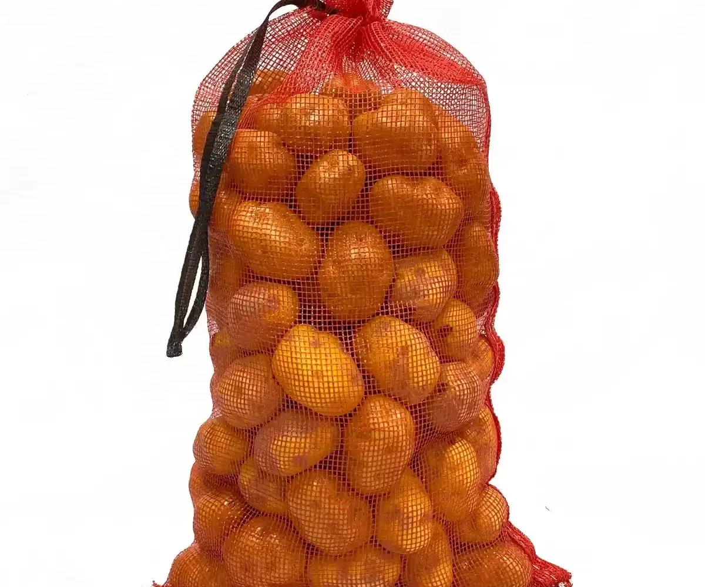
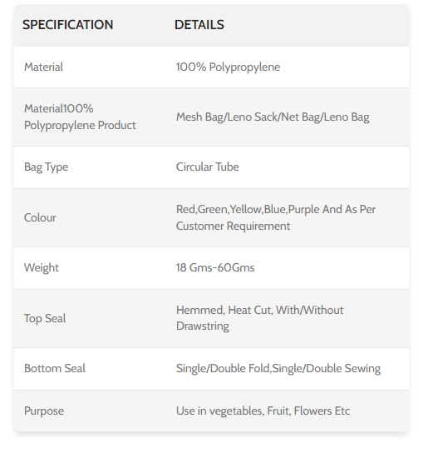
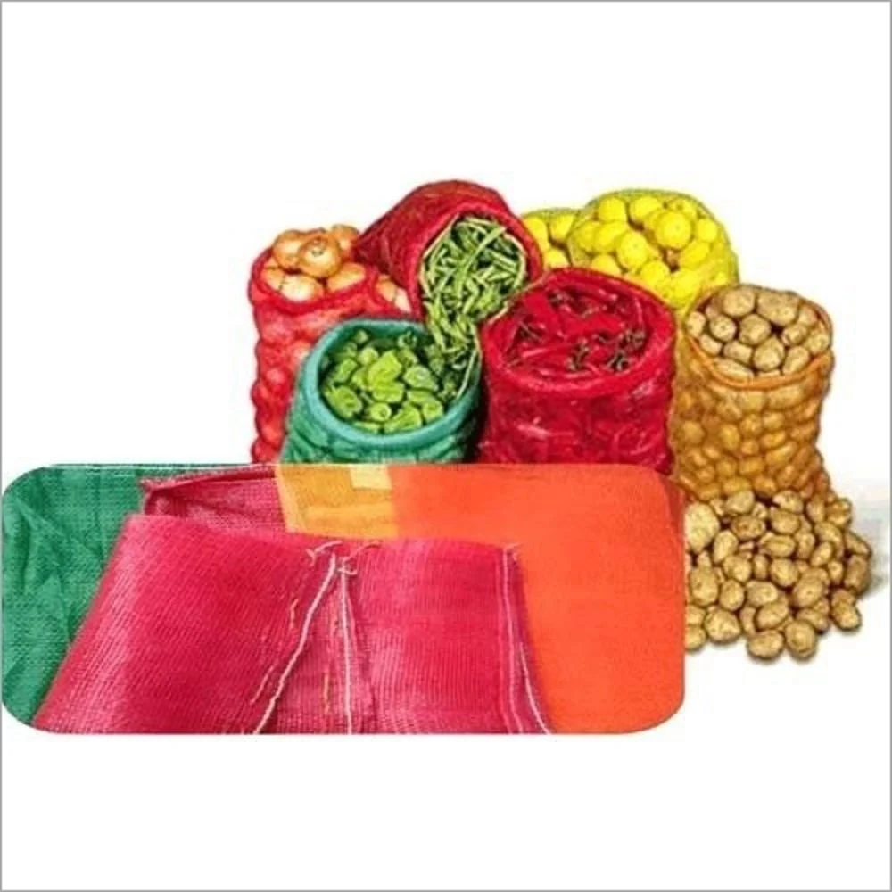
Leno | Mesh Bags Open weaved polypropylene fabric finish We are a leading manufacturer of leno/mesh bags, featuring open-weave polypropylene fabric that allows air circulation for the products packed inside. Our leno mesh bags come with drawstring closures and are widely used for packaging onions, cabbage, corn, citrus fruit, and more. By providing proper ventilation, our mesh bags ensure that vegetables and fruits remain fresh for a longer time. The quality of our mesh bags is top-notch, with holes that allow the products to breathe and receive sufficient sunlight. Additionally, the transparent nature of the bags allows for easy visibility of the stored products without the need to open them. Our leno mesh bags are a superior packaging alternative due to their lightweight and cost-effective nature. They can be customized with or without a drawstring, made of braided flat tape. We focus on meeting the specific requirements of our clients and offer quality products in various sizes and colors to suit their needs. Explore our website to discover our comprehensive range of leno mesh bags and contact us for inquiries or to request a quote. Experience the freshness and convenience our bags provide for your packaging needs.

